My_Leaderboard
LEADERBOARD

NAME | Basic Score(Out of 10) | Advanced Score(Out of 20) | Total Score(Out of 30) | Percentage | Percentile | Rank | Maximum Percentage Scored: | 63.33 |  | NAME | Basic Score(Out of 10) | Percentage | Percentile | Maximum Percentage Scored: | 90
Ritvik Aggarwal | 10 | 2 | 12 | 40.00 | 73.6 | 49 | Range Size: | 21 |  | Lakshya | 8 | 80 | 81 | Range Size: | 30
Sania Almeida | 8 | 2 | 10 | 33.33 | 46.5 | 109 | Fair: | 0 to 21 |  | Yash Patel | 7 | 70 | 52.4 | Fair: | 0 to 30
Dhyanesh Sudhir Dikkar | 9 | 2 | 11 | 36.67 | 62.3 | 77 | Excellent: | 21.1 to 42 |  | Jasmitha | 5 | 50 | 28.6 | Excellent: | 30.1 to 60
Ankit Sahu | 7 | 8 | 15 | 50.00 | 93.3 | 12 | Phenomenal: | 42.1 to 63.33 |  | Harshith | 7 | 70 | 52.4 | Phenomenal: | 40.1 to 90
Kavya Reddy Y | 9 | 3 | 12 | 40.00 | 73.6 | 49 |  |  |  | Kalagotla Shiva Reddy | 7 | 70 | 52.4
Naman Jain | 7 | 8 | 15 | 50.00 | 93.3 | 12 |  | No of People | % of People | Sathvik reddy | 3 | 30 | 9.5 |  | No of People | % of People
Sheth Mili D. | 7 | -2 | 5 | 16.67 | 7.4 | 252 | Phenomenal | 48 | 16.80 | Krish | 5 | 50 | 28.6 | Phenomenal | 11 | 50.00
Dhruv Rishikesh Janakala | 8 | 1 | 9 | 30.00 | 35.6 | 154 | Excellent | 187.00 | 65.60 | Gampa Sathwik | 5 | 50 | 28.6 | Excellent | 5.00 | 22.70
Ruthvik | 9 | 4 | 13 | 43.33 | 83.5 | 36 | Fair | 50 | 17.50 | Dakshita Garg | 6 | 60 | 47.6 | Fair | 6 | 27.30
Shreya Sathyanarayanan | 7 | 0 | 7 | 23.33 | 17.6 | 214 |  |  |  | G Himavanth Reddy | 3 | 30 | 9.5
Basic and Advance Test Takers
Basic Test Takers
Anay Pund | 7 | 1 | 8 | 26.67 | 25.4 | 185 |  |  |  | Aaron Pammi | 1 | 10 | 4.8
Hitesh Badhan | 10 | 2 | 12 | 40.00 | 73.6 | 49 |  |  |  | Atharv aggrawal | 5 | 50 | 28.6
Nabeel Ghalib | 5 | 2 | 7 | 23.33 | 17.6 | 214 |  |  |  | Nandhini. J | -2 | 0 | 0
Hemashree M S | 7 | -4 | 3 | 10.00 | 2.1 | 275 |  |  |  | Shashwat Rai | 8 | 80 | 81
Shiva Krishna Reddy Burra | 5 | 0 | 5 | 16.67 | 7.4 | 252 |  |  |  | Manikanta | 7 | 70 | 52.4
Anshika Sharma | 9 | 5 | 14 | 46.67 | 88 | 21 |  |  |  | Seyram Dorgbetor | 7 | 70 | 52.4
Rajni Kant | 4 | -4 | 0 | 0.00 | 0 | 284 |  |  |  | Kritika Tekchandani | 3 | 30 | 9.5
Mitali | 7 | 3 | 10 | 33.33 | 46.5 | 109 |  |  |  | Aryan sanjay | 9 | 90 | 95.2
Gayatri Rane | 10 | 1 | 11 | 36.67 | 62.3 | 77 |  |  |  | Dhanwanth Krisha D | 8 | 80 | 81
Prince | 8 | 4 | 12 | 40.00 | 73.6 | 49 |  |  |  | Rishika srivastava | 3 | 30 | 9.5
Diya Shah | 8 | 1 | 9 | 30.00 | 35.6 | 154 | Total No of people who took both the Basic and Advanced tests: | 285 |  | Dr. Shifa Sami | 9 | 90 | 95.2
Paridhi Gupta | 10 | 4 | 14 | 46.67 | 88 | 21 | Total No of people who took only the Basic test: | 22 |  | MARIYALA MADHU | 7 | 70 | 52.4
Pratibha Yaduvanshi | 7 | 3 | 10 | 33.33 | 46.5 | 109 | Total Participants: | 307
Ayush Gour | 6 | 3 | 9 | 30.00 | 35.6 | 154
Daksh Sankhla | 7 | 2 | 9 | 30.00 | 35.6 | 154
Dinesh Kumar | 7 | 3 | 10 | 33.33 | 46.5 | 109
Saumitra Chaubey | 7 | 3 | 10 | 33.33 | 46.5 | 109
Sahil Singh | 5 | 0 | 5 | 16.67 | 7.4 | 252
Samruddhi Jha | 9 | 1 | 10 | 33.33 | 46.5 | 109
Aarzoo Baliyan | 7 | 1 | 8 | 26.67 | 25.4 | 185
Malaika khan | 8 | 0 | 8 | 26.67 | 25.4 | 185
Ujjal Roy | 6 | -2 | 4 | 13.33 | 3.9 | 265
Gamini Sai Mahindra | 6 | 4 | 10 | 33.33 | 46.5 | 109
MADHAV SHARMA . | 2 | 8 | 10 | 33.33 | 46.5 | 109
Keerthana Elsa Mammen | 9 | 2 | 11 | 36.67 | 62.3 | 77
Sanjana Siva Shankar | 7 | 0 | 7 | 23.33 | 17.6 | 214
Mitra Gopal | 9 | 1 | 10 | 33.33 | 46.5 | 109
Siddhi Vilas Shilkar | 9 | 3 | 12 | 40.00 | 73.6 | 49
Rishav Kumar Patel | 6 | 1 | 7 | 23.33 | 17.6 | 214
Aditya Sharma | 6 | 6 | 12 | 40.00 | 73.6 | 49
Rishav Kumar Patel | 6 | 1 | 7 | 23.33 | 17.6 | 214
Kanishk Singhania | 8 | 2 | 10 | 33.33 | 46.5 | 109
Niyati | 9 | -4 | 5 | 16.67 | 7.4 | 252
Shailly Sahay | 9 | 2 | 11 | 36.67 | 62.3 | 77
Divyanshu | 8 | 0 | 8 | 26.67 | 25.4 | 185
VISHESH TRIPATHI | 9 | 5 | 14 | 46.67 | 88 | 21
Kausik Pattanaik | 6 | 4 | 10 | 33.33 | 46.5 | 109
Sneha U Shet | 10 | 0 | 10 | 33.33 | 46.5 | 109
priyanka neogi | 8 | 3 | 11 | 36.67 | 62.3 | 77
Rakhi Kamboj | 8 | 1 | 9 | 30.00 | 35.6 | 154
Gokul Singh Shah | 8 | 0 | 8 | 26.67 | 25.4 | 185
Sakshi | 9 | 2 | 11 | 36.67 | 62.3 | 77
Shankar Kumar Nanda | 8 | 3 | 11 | 36.67 | 62.3 | 77
Puja nahak | 5 | 3 | 8 | 26.67 | 25.4 | 185
Saumya Chandra | 7 | 3 | 10 | 33.33 | 46.5 | 109
KAPADIYA JAINY MANOJBHAI | 8 | -1 | 7 | 23.33 | 17.6 | 214
RAHUL RAJ ABHISHEK | 9 | -1 | 8 | 26.67 | 25.4 | 185
Shivam Chavan | 6 | 5 | 11 | 36.67 | 62.3 | 77
Sandeep Singh | 8 | 3 | 11 | 36.67 | 62.3 | 77
Sayyada Ifrah | 6 | 8 | 14 | 46.67 | 88 | 21
Gaurav Somnath Bombale | 8 | 3 | 11 | 36.67 | 62.3 | 77
Prithvi Srivastava | 8 | 1 | 9 | 30.00 | 35.6 | 154
Priyanshu | 7 | 3 | 10 | 33.33 | 46.5 | 109
Shashikant Chaudhary | 9 | 3 | 12 | 40.00 | 73.6 | 49
Rishvanth G V | 9 | 1 | 10 | 33.33 | 46.5 | 109
Fatmi Tahir | 7 | 1 | 8 | 26.67 | 25.4 | 185
Ravinder | 9 | 5 | 14 | 46.67 | 88 | 21
Saksham Tyagi | 8 | 1 | 9 | 30.00 | 35.6 | 154
Abhishek Maurya | 7 | 1 | 8 | 26.67 | 25.4 | 185
Chandra lekha | 5 | -1 | 4 | 13.33 | 3.9 | 265
Shravan Pandurang Padale | 9 | -1 | 8 | 26.67 | 25.4 | 185
Shavi Sharma | 9 | 0 | 9 | 30.00 | 35.6 | 154
Ashvi jain | 7 | 0 | 7 | 23.33 | 17.6 | 214
Samikshya Priyadarshini Swain | 7 | 0 | 7 | 23.33 | 17.6 | 214
Prasad Raut | 8 | 2 | 10 | 33.33 | 46.5 | 109
Anshika mittal | 8 | 4 | 12 | 40.00 | 73.6 | 49
Hariharasudhan M | 9 | 3 | 12 | 40.00 | 73.6 | 49
Charu Bisht | 9 | 1 | 10 | 33.33 | 46.5 | 109
Fareesa Masroor | 8 | 5 | 13 | 43.33 | 83.5 | 36
Tanisha Tijare | 7 | -1 | 6 | 20.00 | 12 | 236
Muhammed Ayman Kamel | 7 | 0 | 7 | 23.33 | 17.6 | 214
Varsha | 7 | 1 | 8 | 26.67 | 25.4 | 185
Sakshi Singh | 8 | 2 | 10 | 33.33 | 46.5 | 109
Shardul vanage | 7 | 1 | 8 | 26.67 | 25.4 | 185
Apoorva Oyshee | 6 | 5 | 11 | 36.67 | 62.3 | 77
Dushyant Singh | 8 | 3 | 11 | 36.67 | 62.3 | 77
PRITISH PRIYADARSHI PATRA | 5 | -3 | 2 | 6.67 | 0.7 | 280
Sahitya bisht | 5 | 1 | 6 | 20.00 | 12 | 236
Maitri Soni | 8 | -2 | 6 | 20.00 | 12 | 236
Sandali Kishore | 9 | 5 | 14 | 46.67 | 88 | 21
Priyanshu Sharma | 7 | 0 | 7 | 23.33 | 17.6 | 214
Amitesh Tiwari | 6 | 3 | 9 | 30.00 | 35.6 | 154
Deepanshu Sharma | 9 | 2 | 11 | 36.67 | 62.3 | 77
Siddhi Jaiswal | 9 | 1 | 10 | 33.33 | 46.5 | 109
Amruta M Joshi | 8 | 4 | 12 | 40.00 | 73.6 | 49
Akash kumar soni | 8 | 4 | 12 | 40.00 | 73.6 | 49
Sanjeet Kumar | 8 | 4 | 12 | 40.00 | 73.6 | 49
Mili Shandilya | 9 | -1 | 8 | 26.67 | 25.4 | 185
Rajan kumar chaudhary | 7 | 2 | 9 | 30.00 | 35.6 | 154
Vaishnavi Vishvnath Kanade | 8 | 3 | 11 | 36.67 | 62.3 | 77
Mayank Joshi | 7 | 6 | 13 | 43.33 | 83.5 | 36
Laiba Mahrukh Ansari | 9 | 4 | 13 | 43.33 | 83.5 | 36
Prakriti Jha | 6 | 2 | 8 | 26.67 | 25.4 | 185
Santosh Saroj | 9 | 0 | 9 | 30.00 | 35.6 | 154
Kabyashree Hazarika | 7 | 5 | 12 | 40.00 | 73.6 | 49
ADARSH GUPTA | 7 | 7 | 14 | 46.67 | 88 | 21
YASAR ARAFATH M | 7 | -1 | 6 | 20.00 | 12 | 236
Afsan Idrisi | 6 | -4 | 2 | 6.67 | 0.7 | 280
Rutvi Menpara | 7 | 0 | 7 | 23.33 | 17.6 | 214
Namrata Chaudhari | 5 | 0 | 5 | 16.67 | 7.4 | 252
Rakesh Vanam | 7 | 2 | 9 | 30.00 | 35.6 | 154
Ekta Rani | 5 | 7 | 12 | 40.00 | 73.6 | 49
Jiya Khurana | 7 | 8 | 15 | 50.00 | 93.3 | 12
Nandini | 6 | -3 | 3 | 10.00 | 2.1 | 275
Sudipta Hazra | 7 | -1 | 6 | 20.00 | 12 | 236
Talika Bajaj | 6 | 3 | 9 | 30.00 | 35.6 | 154
Vrushti Vyas | 8 | 2 | 10 | 33.33 | 46.5 | 109
Rahul Sen | 9 | 4 | 13 | 43.33 | 83.5 | 36
Anshika Chaturvedi | 7 | 4 | 11 | 36.67 | 62.3 | 77
Tanishq Sharma | 8 | 2 | 10 | 33.33 | 46.5 | 109
Ashirwad Kumar | 9 | 5 | 14 | 46.67 | 88 | 21
Ritik Kumar Gupta | 7 | 7 | 14 | 46.67 | 88 | 21
Sobhit Singhal | 10 | -4 | 6 | 20.00 | 12 | 236
Archana Nayaka A M | 8 | -1 | 7 | 23.33 | 17.6 | 214
PREMKUMAR M | 9 | 1 | 10 | 33.33 | 46.5 | 109
Shekinah.A | 8 | 5 | 13 | 43.33 | 83.5 | 36
Ansh Malhotra | 8 | 2 | 10 | 33.33 | 46.5 | 109
Satakshi Gupta | 8 | 3 | 11 | 36.67 | 62.3 | 77
Chitransh Srivastava | 6 | 2 | 8 | 26.67 | 25.4 | 185
Harsh Sindhwal | 9 | 10 | 19 | 63.33 | 100 | 1
Madiha Fatema | 4 | 5 | 9 | 30.00 | 35.6 | 154
GAURAV SONI | 9 | 0 | 9 | 30.00 | 35.6 | 154
Sarah | 7 | 2 | 9 | 30.00 | 35.6 | 154
Divyanidhi Dubey | 7 | 3 | 10 | 33.33 | 46.5 | 109
Rohit Negi | 7 | 3 | 10 | 33.33 | 46.5 | 109
Shekhar Thapa | 7 | 1 | 8 | 26.67 | 25.4 | 185
Narravula Rohith | 8 | 1 | 9 | 30.00 | 35.6 | 154
Anshika Mandwarya | 7 | 3 | 10 | 33.33 | 46.5 | 109
Paluru Harshita Vasavi | 7 | -1 | 6 | 20.00 | 12 | 236
Mahak | 7 | 9 | 16 | 53.33 | 96.5 | 9
Khushmeet Singh | 9 | 0 | 9 | 30.00 | 35.6 | 154
Kanikaa gupta | 4 | -2 | 2 | 6.67 | 0.7 | 280
Misha Srivastava | 9 | 5 | 14 | 46.67 | 88 | 21
Muhammad Anas | 5 | 7 | 12 | 40.00 | 73.6 | 49
Aditya Kumar | 7 | 4 | 11 | 36.67 | 62.3 | 77
Anjali Kumari | 7 | 5 | 12 | 40.00 | 73.6 | 49
Arhama Saba | 6 | -2 | 4 | 13.33 | 3.9 | 265
Asmita Lohia | 8 | 8 | 16 | 53.33 | 96.5 | 9
Keerthana R | 9 | 5 | 14 | 46.67 | 88 | 21
Appana p g s s m jayaraj | 9 | 3 | 12 | 40.00 | 73.6 | 49
Rishik Chaudhary | 6 | 8 | 14 | 46.67 | 88 | 21
Abyalew Teklu | 8 | 3 | 11 | 36.67 | 62.3 | 77
Simran Tiwari | 8 | -3 | 5 | 16.67 | 7.4 | 252
Maitri Patel | 6 | -3 | 3 | 10.00 | 2.1 | 275
Jotiba Ashok Jadhav | 7 | 2 | 9 | 30.00 | 35.6 | 154
Sakhi Chatterjee | 9 | 3 | 12 | 40.00 | 73.6 | 49
Mannuru Tejaswani | 7 | 4 | 11 | 36.67 | 62.3 | 77
Khushi Chadha | 8 | 2 | 10 | 33.33 | 46.5 | 109
B.Shiva Sathvik | 5 | 4 | 9 | 30.00 | 35.6 | 154
Himanjit Choudhury | 7 | -2 | 5 | 16.67 | 7.4 | 252
Vishesh kataria | 8 | 1 | 9 | 30.00 | 35.6 | 154
Ashok Kumar | 5 | 13 | 18 | 60.00 | 98.9 | 2
Ashok Kumar | 5 | 13 | 18 | 60.00 | 98.9 | 2
Amit Kumar | 7 | -3 | 4 | 13.33 | 3.9 | 265
Prasannakumar | 5 | 10 | 15 | 50.00 | 93.3 | 12
Surendra Bheemanathini | 8 | -1 | 7 | 23.33 | 17.6 | 214
Erukonda Saikiran | 8 | 3 | 11 | 36.67 | 62.3 | 77
Surya Pillalamarri | 7 | 0 | 7 | 23.33 | 17.6 | 214
Aniket Bihana | 5 | -1 | 4 | 13.33 | 3.9 | 265
Abhishek Kansal | 7 | 7 | 14 | 46.67 | 88 | 21
Kanta Sai Dhanush | 9 | 2 | 11 | 36.67 | 62.3 | 77
Vaibhav Ambadas Waghmare | 7 | -3 | 4 | 13.33 | 3.9 | 265
Nishanth Pragnesh B | 10 | 8 | 18 | 60.00 | 98.9 | 2
Hardik Giri Goswami | 8 | 1 | 9 | 30.00 | 35.6 | 154
Gayatri yadav | 6 | 3 | 9 | 30.00 | 35.6 | 154
Aditya Naik | 7 | 1 | 8 | 26.67 | 25.4 | 185
Hemant Singh Parihar | 7 | -3 | 4 | 13.33 | 3.9 | 265
Devhuti Mahore | 9 | 0 | 9 | 30.00 | 35.6 | 154
Anoushka Khemani | 9 | 1 | 10 | 33.33 | 46.5 | 109
Aisha Jaiswal | 8 | 0 | 8 | 26.67 | 25.4 | 185
Mounika Gannamanthi | 7 | 0 | 7 | 23.33 | 17.6 | 214
Sparsh S. Pradhan | 8 | 0 | 8 | 26.67 | 25.4 | 185
Saicharitha Yanambakam | 8 | 1 | 9 | 30.00 | 35.6 | 154
Dadvaiah Pavan | 7 | 1 | 8 | 26.67 | 25.4 | 185
Tushar Tiwari | 9 | 1 | 10 | 33.33 | 46.5 | 109
kashish kamra | 8 | 0 | 8 | 26.67 | 25.4 | 185
Sejal Mahesh Vetkar | 9 | 4 | 13 | 43.33 | 83.5 | 36
Prathamesh Patil | 9 | 7 | 16 | 53.33 | 96.5 | 9
SUSHANT | 7 | 4 | 11 | 36.67 | 62.3 | 77
Debnandini Kar | 9 | 1 | 10 | 33.33 | 46.5 | 109
Ashna Tuli | 6 | 0 | 6 | 20.00 | 12 | 236
Lokesh | 8 | -2 | 6 | 20.00 | 12 | 236
Charmie J Jain | 5 | 2 | 7 | 23.33 | 17.6 | 214
Vikanshi singh | 7 | 3 | 10 | 33.33 | 46.5 | 109
Ambreen Siddiqui | 5 | -5 | 0 | 0.00 | 0 | 284
Havilah Bodde | 7 | 3 | 10 | 33.33 | 46.5 | 109
Nunavath Akhila | 7 | 1 | 8 | 26.67 | 25.4 | 185
M.Ramani | 8 | 6 | 14 | 46.67 | 88 | 21
Sudarshan Amol Saraswat | 9 | 2 | 11 | 36.67 | 62.3 | 77
Yash Tiwari | 10 | 2 | 12 | 40.00 | 73.6 | 49
Harish A | 10 | 3 | 13 | 43.33 | 83.5 | 36
Keerthika tangirala | 7 | 8 | 15 | 50.00 | 93.3 | 12
Ezak Victory | 9 | 1 | 10 | 33.33 | 46.5 | 109
Ranjith kumar v | 8 | 1 | 9 | 30.00 | 35.6 | 154
Gayatri choudhary | 8 | 3 | 11 | 36.67 | 62.3 | 77
Sanjana Jayaraj | 9 | 1 | 10 | 33.33 | 46.5 | 109
Vinodhini S | 8 | 4 | 12 | 40.00 | 73.6 | 49
kuheli sen | 5 | 4 | 9 | 30.00 | 35.6 | 154
Ibrahim Bhaila | 8 | 9 | 17 | 56.67 | 97.5 | 5
Dhruv Bhut | 7 | -3 | 4 | 13.33 | 3.9 | 265
Deepak kushwaha | 9 | -3 | 6 | 20.00 | 12 | 236
Rimpi Saikia | 6 | -2 | 4 | 13.33 | 3.9 | 265
Pranav Matkar | 8 | -1 | 7 | 23.33 | 17.6 | 214
Deva Rugved | 6 | 5 | 11 | 36.67 | 62.3 | 77
Anchal Dubey | 10 | 7 | 17 | 56.67 | 97.5 | 5
ADARSH T | 9 | 1 | 10 | 33.33 | 46.5 | 109
Gayatri Choudhary | 7 | -1 | 6 | 20.00 | 12 | 236
Shashi Kumar | 8 | 0 | 8 | 26.67 | 25.4 | 185
Bhoomika aggarwal | 6 | -4 | 2 | 6.67 | 0.7 | 280
Gurudayal Maurya | 6 | 9 | 15 | 50.00 | 93.3 | 12
Sourajit Deb | 8 | 2 | 10 | 33.33 | 46.5 | 109
Fadeela Naqash | 7 | -1 | 6 | 20.00 | 12 | 236
Nimanpreet Kaur | 6 | 4 | 10 | 33.33 | 46.5 | 109
Aryan Khare | 9 | 3 | 12 | 40.00 | 73.6 | 49
Nithya sree B | 7 | 4 | 11 | 36.67 | 62.3 | 77
Akshay Kumar | 9 | -1 | 8 | 26.67 | 25.4 | 185
Akshay Kumar | 9 | -1 | 8 | 26.67 | 25.4 | 185
Mani sathwik Barigela | 6 | 9 | 15 | 50.00 | 93.3 | 12
Kunal Pal | 8 | -3 | 5 | 16.67 | 7.4 | 252
Bhavik Vimal Prajapati | 5 | 4 | 9 | 30.00 | 35.6 | 154
Kamble Rutik | 5 | 5 | 10 | 33.33 | 46.5 | 109
Humma Irshad | 9 | 3 | 12 | 40.00 | 73.6 | 49
Ayush Ajay Singh | 8 | -2 | 6 | 20.00 | 12 | 236
Shireen Samir Momin | 6 | 0 | 6 | 20.00 | 12 | 236
Abdul Al Islam | 7 | -2 | 5 | 16.67 | 7.4 | 252
Yamini Singh | 9 | 1 | 10 | 33.33 | 46.5 | 109
Anuj Kumar Tiwari | 9 | 4 | 13 | 43.33 | 83.5 | 36
Narendrakumar Kumawat | 7 | 4 | 11 | 36.67 | 62.3 | 77
RUDRA KAUSHIK | 7 | -2 | 5 | 16.67 | 7.4 | 252
Athinamilagi A Vignesh K | 9 | 3 | 12 | 40.00 | 73.6 | 49
Srikumar sahoo | 7 | -2 | 5 | 16.67 | 7.4 | 252
KANDULA V UMADEEKSHITH REDDY | 6 | 4 | 10 | 33.33 | 46.5 | 109
Younus Md | 9 | -1 | 8 | 26.67 | 25.4 | 185
Vaibhav Agrahari | 5 | 6 | 11 | 36.67 | 62.3 | 77
Khushi Raj | 9 | 2 | 11 | 36.67 | 62.3 | 77
Jayeta Nandi | 9 | -1 | 8 | 26.67 | 25.4 | 185
R.Vijay Vikas | 9 | 2 | 11 | 36.67 | 62.3 | 77
Sanjeet Kumar | 9 | 4 | 13 | 43.33 | 83.5 | 36
Aishwarya Kande | 9 | 1 | 10 | 33.33 | 46.5 | 109
Sundaram Singh | 8 | 4 | 12 | 40.00 | 73.6 | 49
Yash Bodade | 7 | -1 | 6 | 20.00 | 12 | 236
Sweta Maurya | 6 | 4 | 10 | 33.33 | 46.5 | 109
Laukik sanjay Kande | 8 | 4 | 12 | 40.00 | 73.6 | 49
Tanisha Dhasmana | 8 | 1 | 9 | 30.00 | 35.6 | 154
Venkata Gopi Gowravarapu | 9 | 5 | 14 | 46.67 | 88 | 21
Fatima Shafique | 7 | 3 | 10 | 33.33 | 46.5 | 109
P.R.POOJA | 9 | -1 | 8 | 26.67 | 25.4 | 185
Suhana yadav | 6 | -3 | 3 | 10.00 | 2.1 | 275
K.Kaviya | 7 | 1 | 8 | 26.67 | 25.4 | 185
Raju chitte | 3 | 0 | 3 | 10.00 | 2.1 | 275
Anu Somy | 9 | 3 | 12 | 40.00 | 73.6 | 49
Poornima Gadipati | 8 | 4 | 12 | 40.00 | 73.6 | 49
Shubham | 9 | 0 | 9 | 30.00 | 35.6 | 154
Fatima Shafique | 7 | 3 | 10 | 33.33 | 46.5 | 109
Aditya Pattnaik | 8 | 5 | 13 | 43.33 | 83.5 | 36
Achu Abraham | 5 | 10 | 15 | 50.00 | 93.3 | 12
Boini sushmitha | 6 | 1 | 7 | 23.33 | 17.6 | 214
Thejas Bhat P | 10 | 7 | 17 | 56.67 | 97.5 | 5
Pandiri Chaitanya Prakash | 9 | 8 | 17 | 56.67 | 97.5 | 5
Bhumika Tiwari | 9 | 2 | 11 | 36.67 | 62.3 | 77
Abhishek Kumar Srivastava | 7 | 4 | 11 | 36.67 | 62.3 | 77
Manoj | 7 | 5 | 12 | 40.00 | 73.6 | 49
Vishnu S Menon | 10 | -5 | 5 | 16.67 | 7.4 | 252
Anamitra Bagchi | 8 | -1 | 7 | 23.33 | 17.6 | 214
Nimmarasi Rahul Yadav | 9 | 4 | 13 | 43.33 | 83.5 | 36
Palakuri Akshay goud | 8 | -1 | 7 | 23.33 | 17.6 | 214
Himavamshi | 8 | 5 | 13 | 43.33 | 83.5 | 36
Batool Amina | 6 | -1 | 5 | 16.67 | 7.4 | 252
Yashpreet Singh Pannu | 9 | 6 | 15 | 50.00 | 93.3 | 12
Umang Rupesh Modak | 9 | -2 | 7 | 23.33 | 17.6 | 214
Mathesh Sankar K | 9 | 1 | 10 | 33.33 | 46.5 | 109
Abish Kamran | 6 | 3 | 9 | 30.00 | 35.6 | 154
Vishal Singh | 9 | -2 | 7 | 23.33 | 17.6 | 214
PEDDAKOTLA RAHUL | 5 | 1 | 6 | 20.00 | 12 | 236
K N Navaneet Singh | 6 | -2 | 4 | 13.33 | 3.9 | 265

My_Analysis
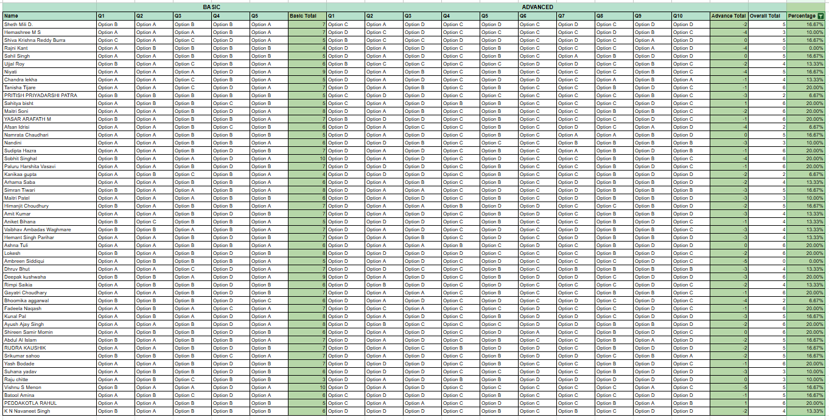
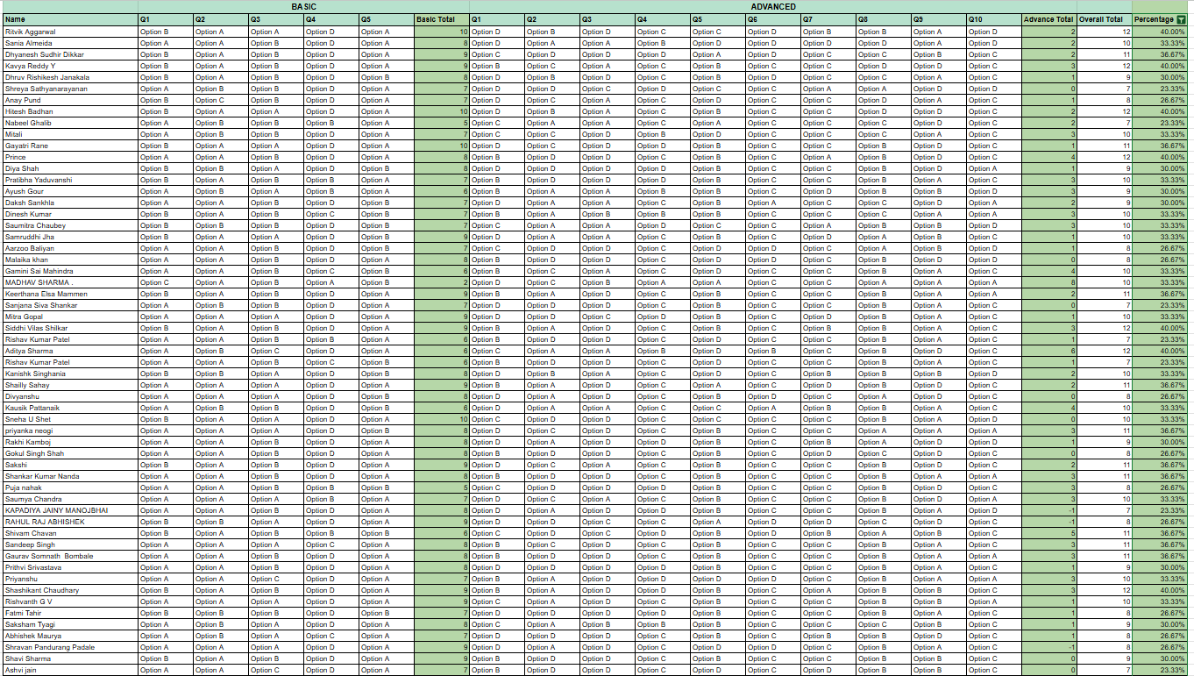
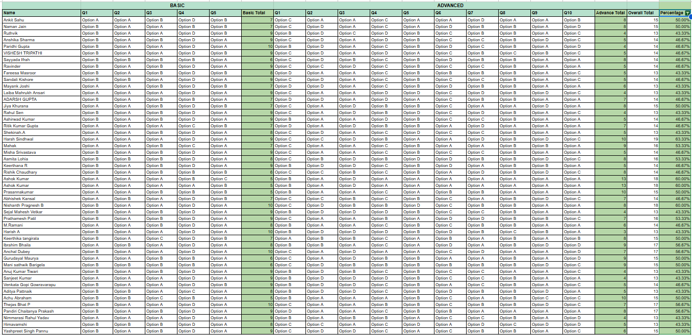
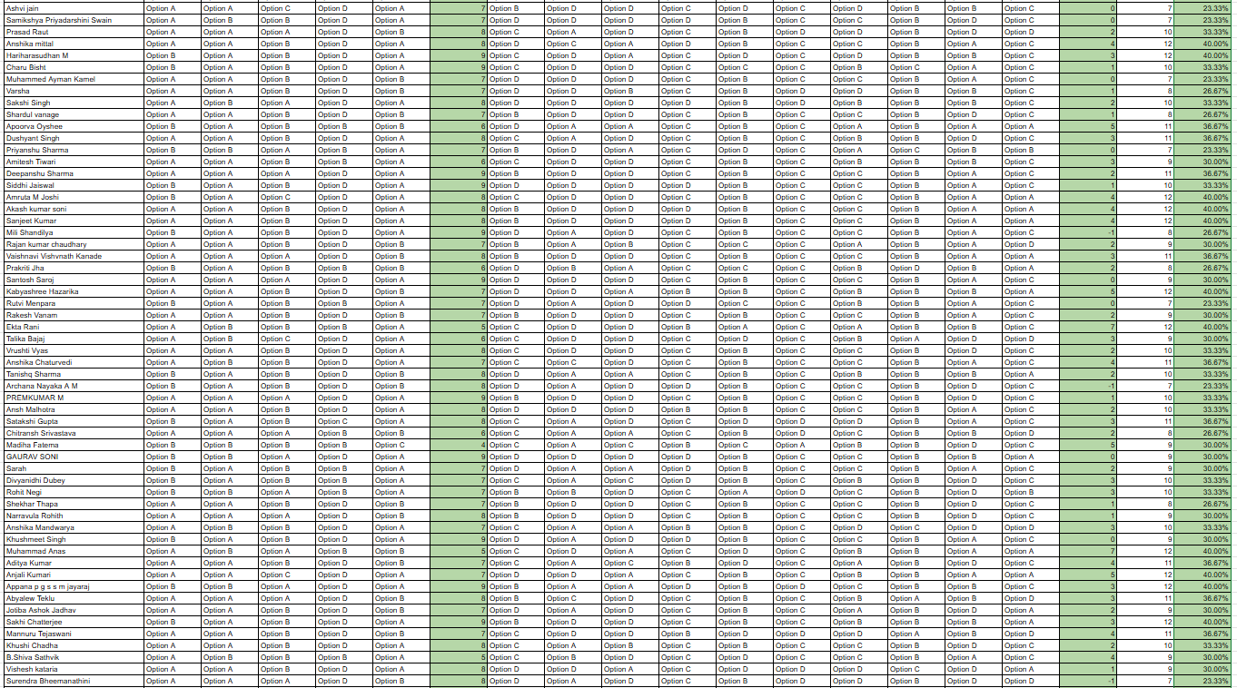
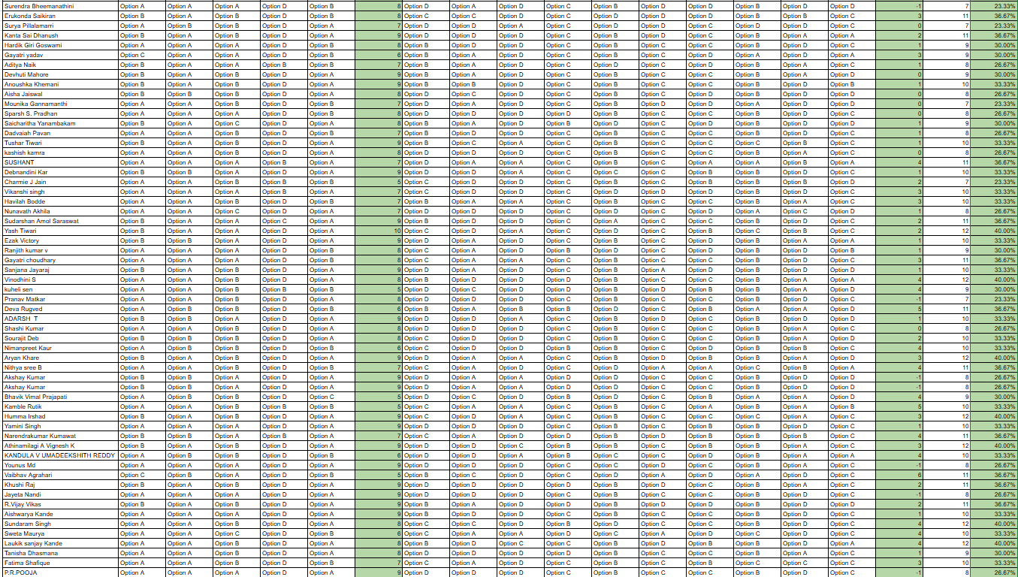
 | QUESTION WISE ANALYSIS

 | Basic |  |  |  |  | Advanced
 | Q1 | Q2 | Q3 | Q4 | Q5 | Q1 | Q2 | Q3 | Q4 | Q5 | Q6 | Q7 | Q8 | Q9 | Q10
Count of people who choose Option A | 165 | 216 | 91 | 2 | 182 | 1 | 123 | 75 | 5 | 22 | 18 | 28 | 32 | 110 | 57
Count of people who choose Option B | 116 | 67 | 174 | 60 | 99 | 76 | 13 | 23 | 42 | 176 | 7 | 55 | 201 | 62 | 15
Count of people who choose Option C | 4 | 2 | 20 | 15 | 4 | 78 | 29 | 17 | 186 | 24 | 199 | 142 | 44 | 5 | 147
Count of people who choose Option D | 0 | 0 | 0 | 208 | 0 | 130 | 120 | 170 | 52 | 63 | 61 | 60 | 8 | 108 | 66
Maximum Chosen Option by the people who took both the tests | Option A: To gain new skills and knowledge that will benefit my future career. | Option A: I actively seek out new experiences and ideas because they broaden my perspective and help me grow. | Option B: I can spend about 5-6 hours per week, I will prioritize learning and internship readiness, while balancing academics. | Option D: I listen to them gently and continue doing my work. But if they persist, I would explain them my thought process and reduce friction | Option A: I would like to be myself, working on areas for improvement | Option D: I’m open to traveling to new destinations, but I usually do thorough research and plan ahead to minimize any potential risks or uncertainties. | Option A: Finishing daily tasks quickly and efficiently, allowing you to feel productive and move on to other activities. | Option D: I usually gather a lot of information and consider others' opinions but ultimately trust my own judgment to make the final decision. | Option C: I often seek out activities where I can see incremental progress, as it helps me stay patient and motivated over time. | Option B: I regularly reflect on my strengths and weaknesses, using this self-awareness to set personal goals and improve myself. | Option C: Balance both the internship and placement preparation by setting a strict schedule, ensuring you give adequate time to both without compromising on either. | Option C: Seek a balance between structured thinking and first principles reasoning, using frameworks where they fit and breaking down elements from scratch when needed. | Option B: Enroll in the course because I am genuinely interested in the subject and see long-term benefits. | Option A: Accept the internship to gain hands-on experience and valuable learning opportunities, without worrying about formal recognition. | Option C: Balance your approach by setting short-term goals to achieve quick wins while keeping the long-term process in mind.
Minimum Chosen Option by the people who took both the tests | Option D: To fulfill a requirement or because it fits easily into my schedule. | Option D: I usually wait for opportunities to come to me rather than actively seeking them out. | Option D: I would like to focus on academics in the first year, I have been told to start thinking of internships in the third year | Option A: Pause the project for sometime and resume it once I am in a better state | Option D: I have taken admission in a good college, they have good placement, I will concentrate on academics in the first year | Option A: I prefer vacationing in familiar destinations where I know what to expect and can reduce any surprises. | Option B: Receiving compliments and recognition from friends or family for something you've accomplished. | Option B: I often seek advice and approval from others before making a decision to ensure I’m on the right track. | Option A: I prefer tasks that show quick results and tend to get frustrated if I don’t see immediate progress. | Option A: I focus more on getting things done and I feel that I'd overthink if I think about my strength and weakness | Option B: Fully commit to the internship, knowing that your placement preparation will be compromised significantly. | Option A: Focus on learning and applying established frameworks and structured thinking methods to systematically approach the problem. | Option D: Skip the course because I prefer to focus on activities that provide immediate benefits like grades or credits. | Option C: Decline the internship because the absence of an official certificate means you won't have formal recognition for your efforts. | Option B: Focus on the aspects of the project that provide immediate feedback and visible results, as this keeps you motivated.

 | Note:
 | The data for the table is obtained from the sheet named "My_For Calculation"

Options chosen for each question by the people in the FAIR category |  |  |  |  |  |  | Options chosen for each question by the people in the EXCELLENT category |  |  |  |  |  | Options chosen for each question by the people in the PHENOMINAL category

